ECMA
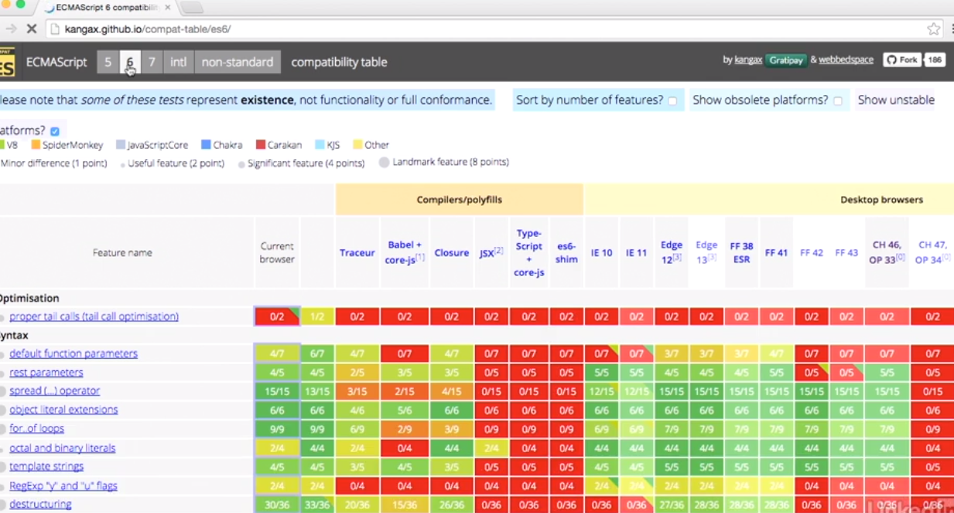
Invented by NetScape ... called jscript by microsoft

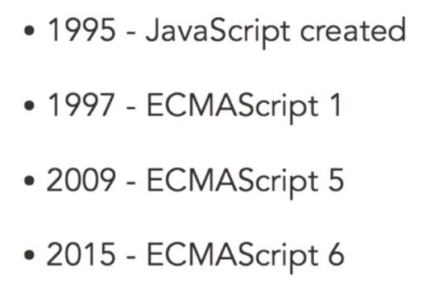

European Computer Manafactures Organization

adds significant new syntax for writing complex applications,
- class declarations (class Foo { ... }),
ES6 modules like import * as moduleName from "...";
export const Foo
Classes, let, const
typed arrays,
new collections
The complete list is extensive.^{[36][37]} As the first "ECMAScript Harmony" specification, it is also known as "ES6 Harmony."

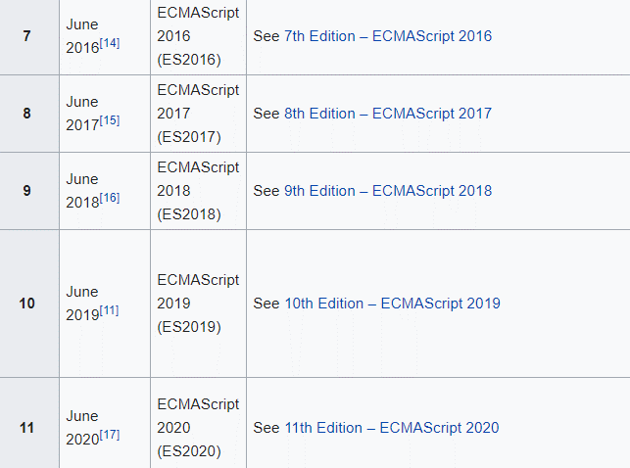
See https://en.wikipedia.org/wiki/ECMAScript

Browser compatibility is a big thing:
http://kangax.github.io/compat-table/es6/
http://kangax.github.io/compat-table/es2016plus/



Last year (summer) this chart looked like... so to
universivally use ES6 needed to transpile
babel is one popular transpiling tool

Let
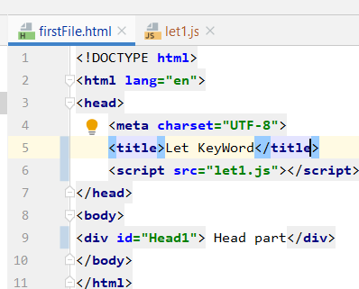
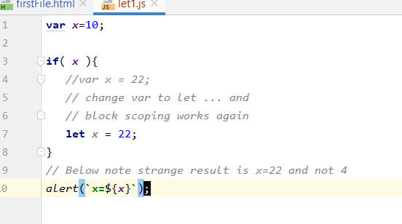

const
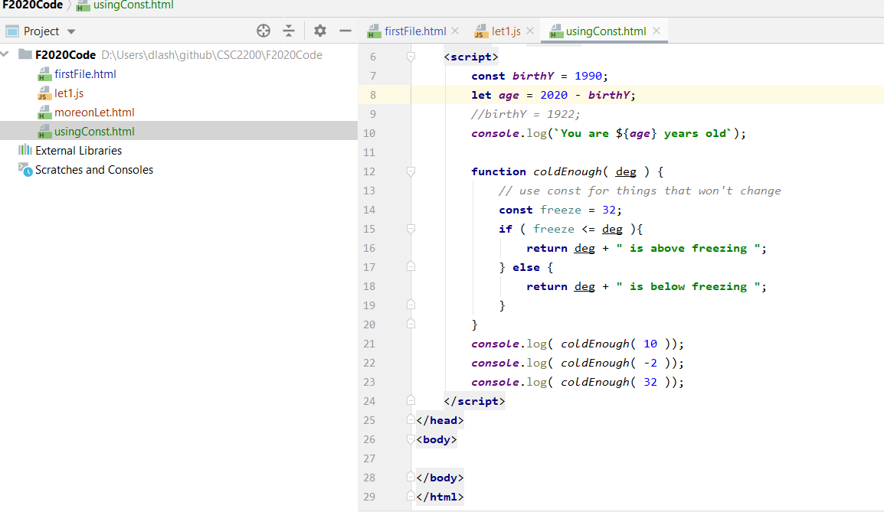
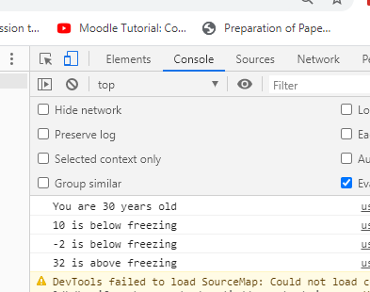
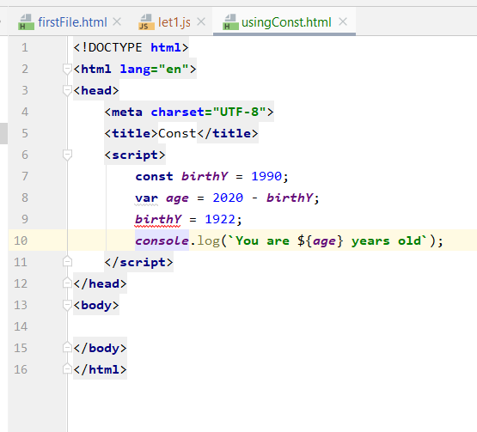

This output style is called 'template strings' also a feature of
ECMA 6

Spread Oper
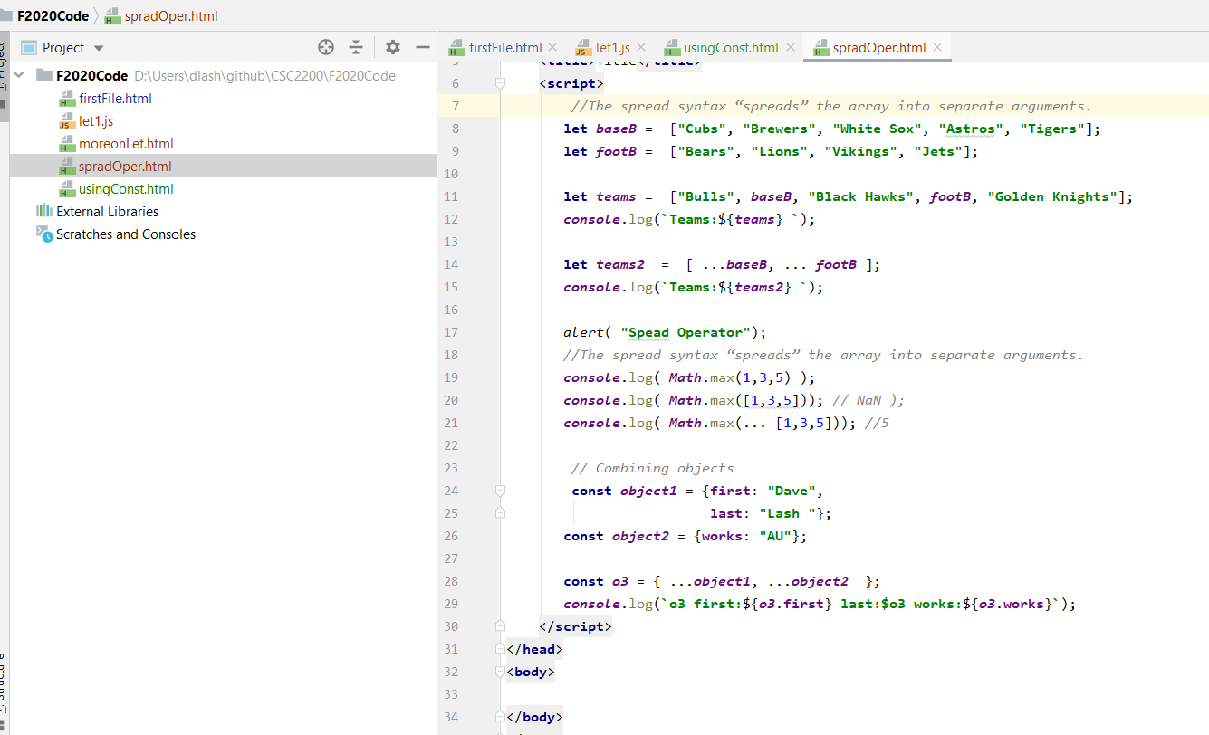

Maps
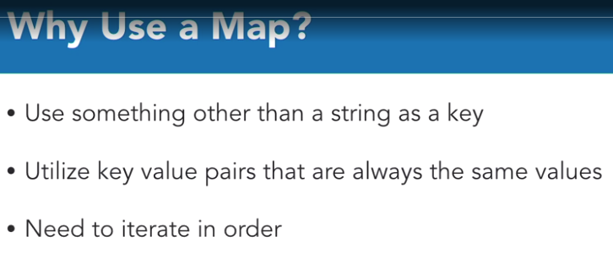

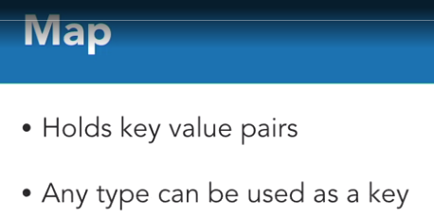

Preserves insertion order

http://www.discovermeteor.com/blog/understanding-javascript-map/

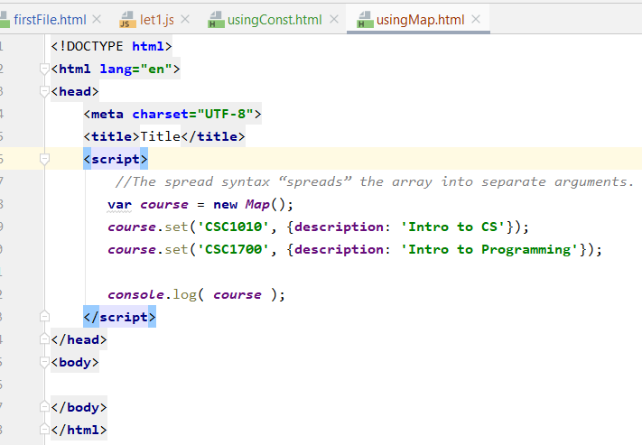
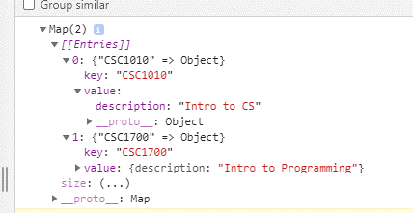

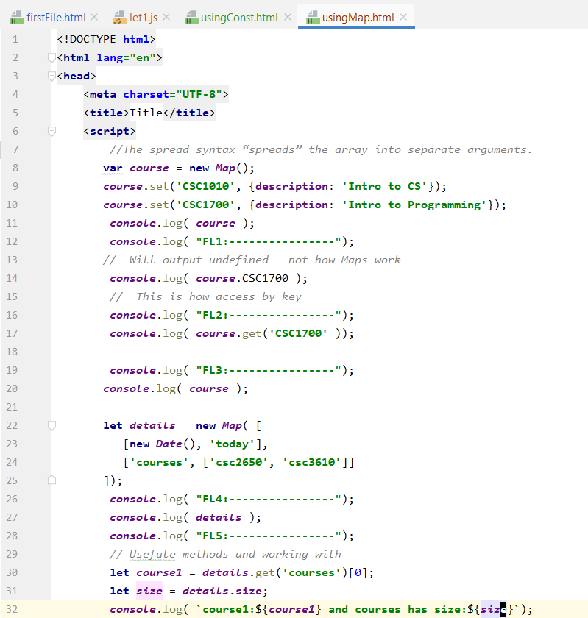

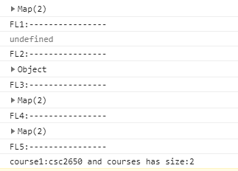

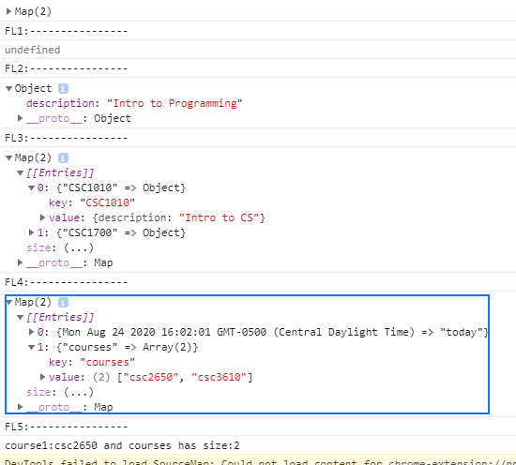

Can loop through each course object ... one at a time

Sets
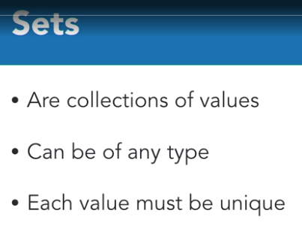

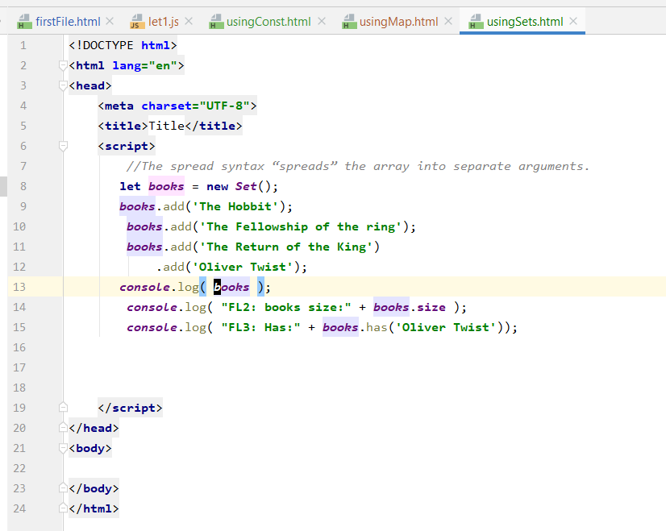

You can delete ... and you see it is gone

While the data is size 8 the set is only 5 ... duplicates removed

forOf
https://www.linkedin.com/learning/learning-ecmascript-6/the-for-of-loop
forOf
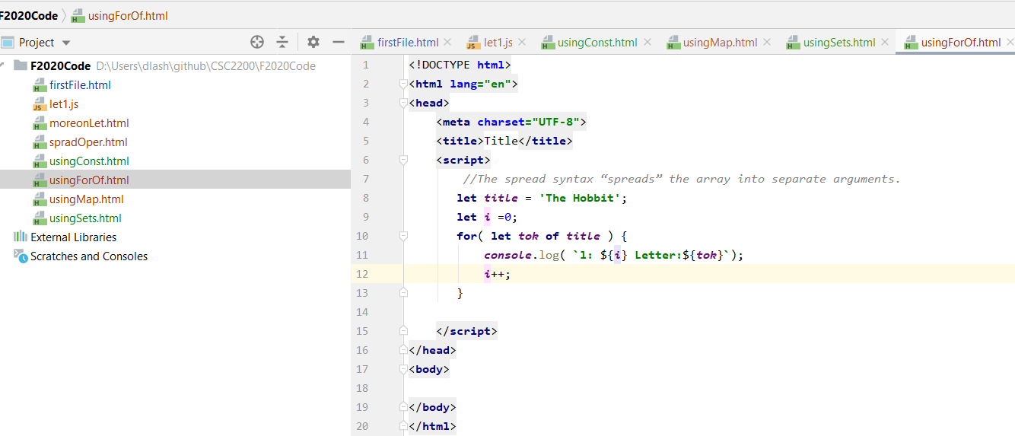

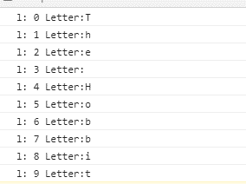

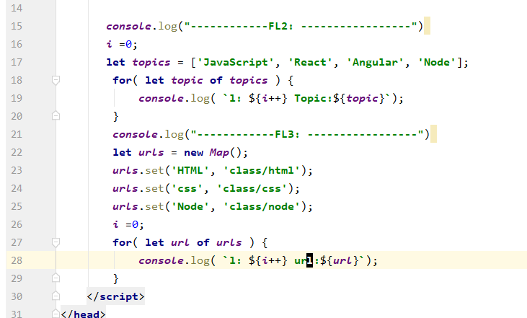
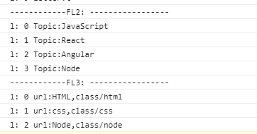

Shows all the keys

Shows all the values

The entries() method returns a new Array Iterator object that contains the key/value pairs for each index in the array.

Default Parms
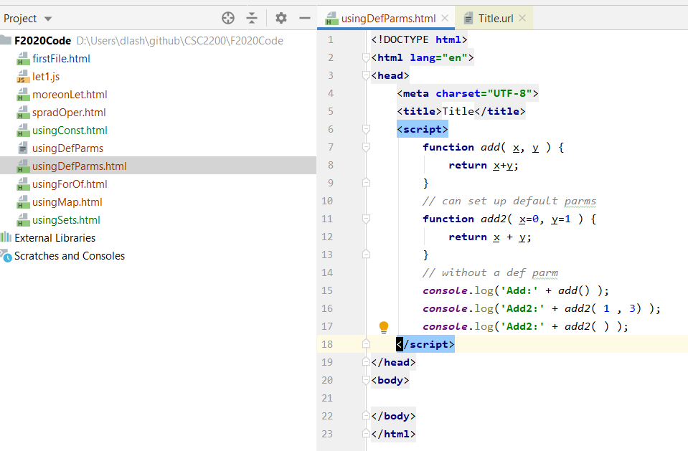

object literals
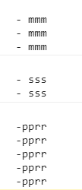
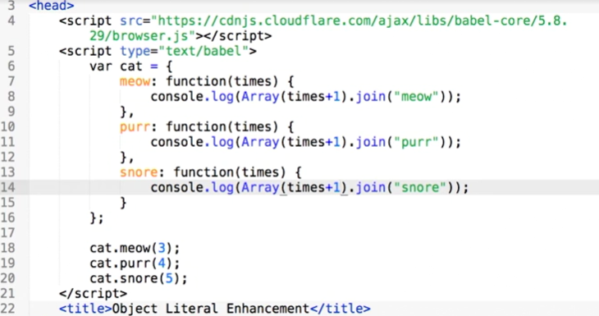
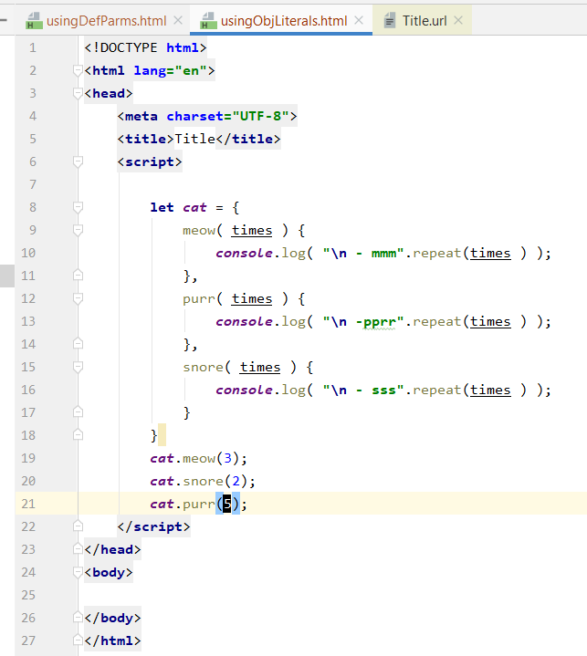

The old way to do this would look like this

Objects
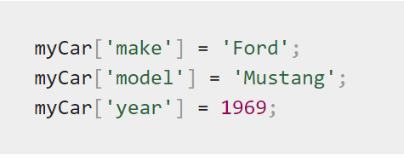
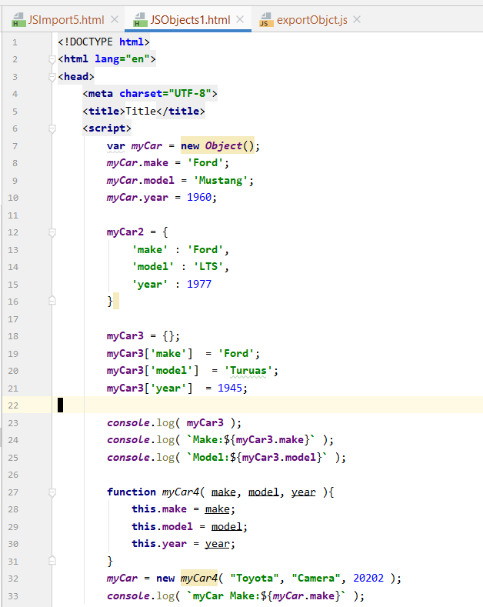
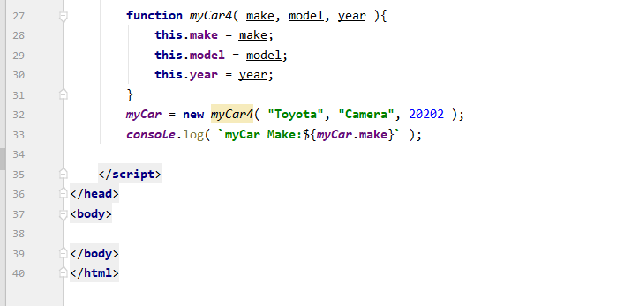
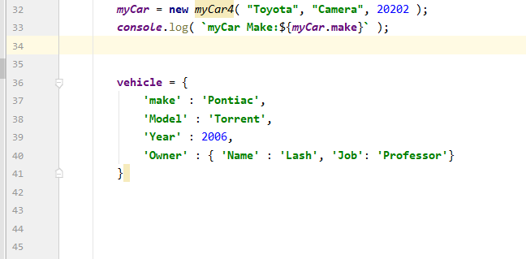
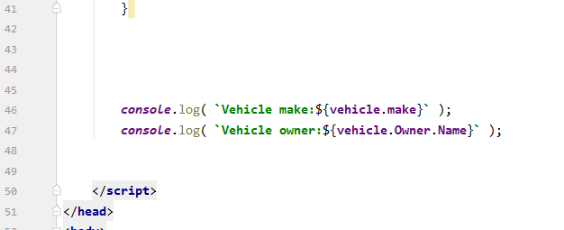
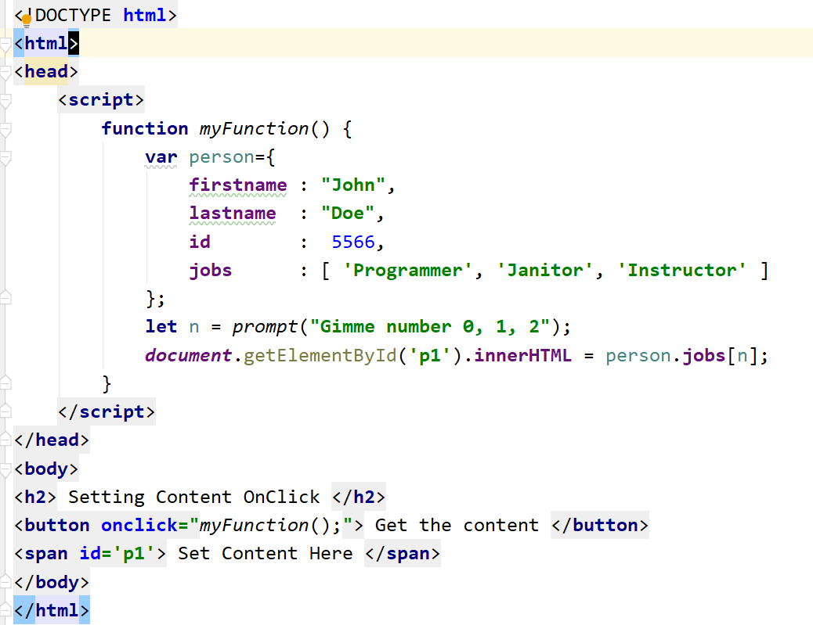
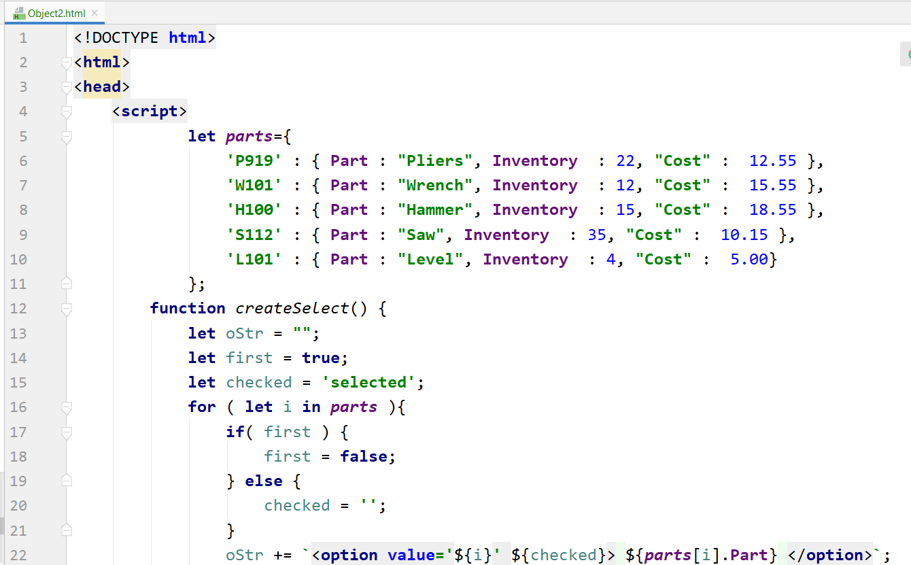
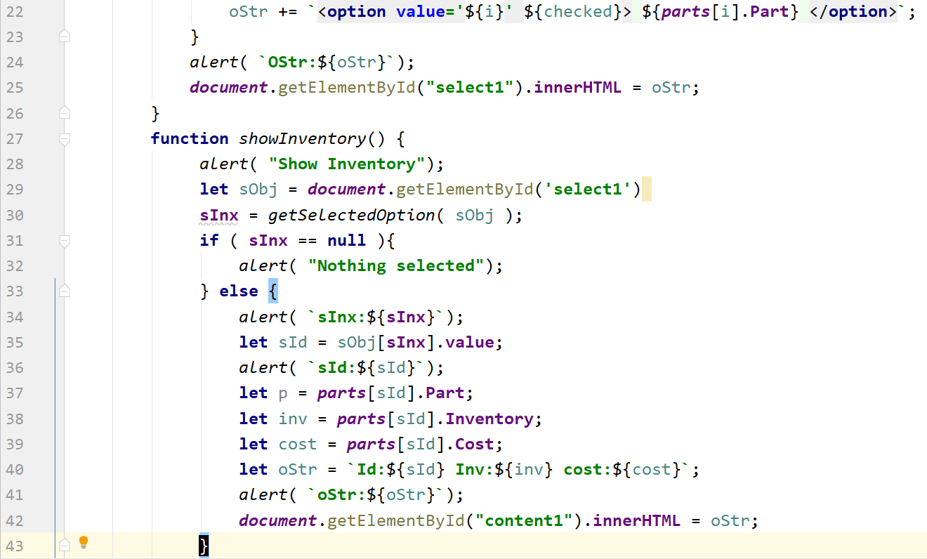
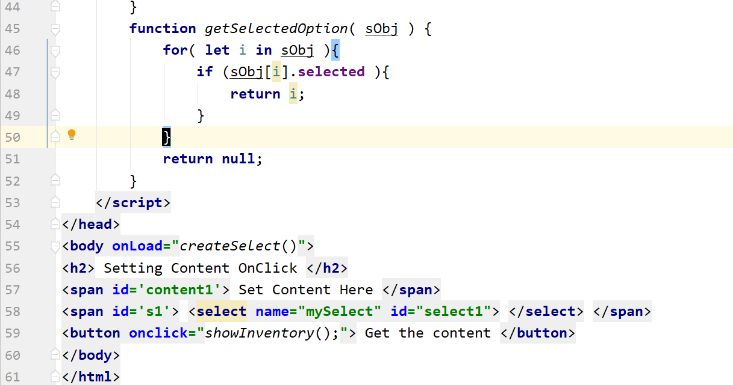
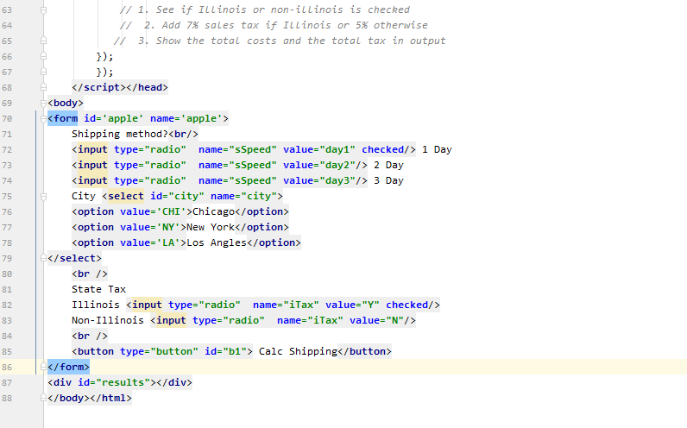
https://developer.mozilla.org/en-US/docs/Web/JavaScript/Guide/Working_with_Objects

Object properties are basically the same as ordinary JavaScript variables,
except for the attachment to objects.

create an object named myCar and give it properties named make, model, and year

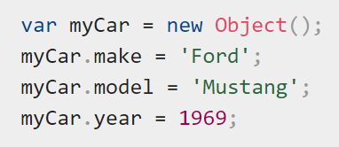

JavaScript objects can also be accessed or set using a bracket notation .. AKA Associative Arrays

Class Syntax
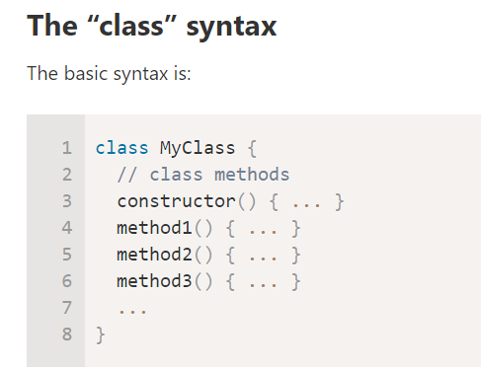

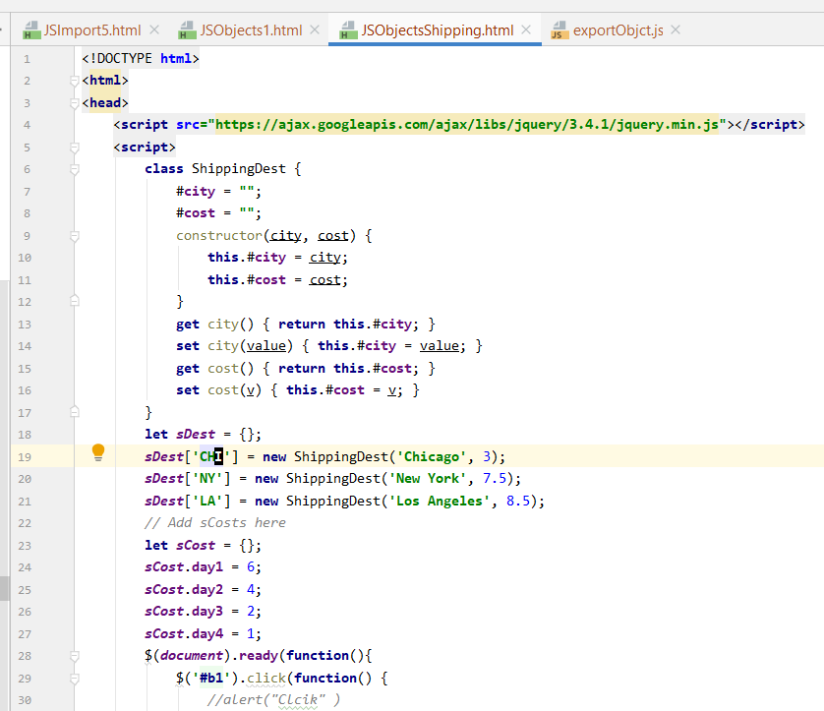

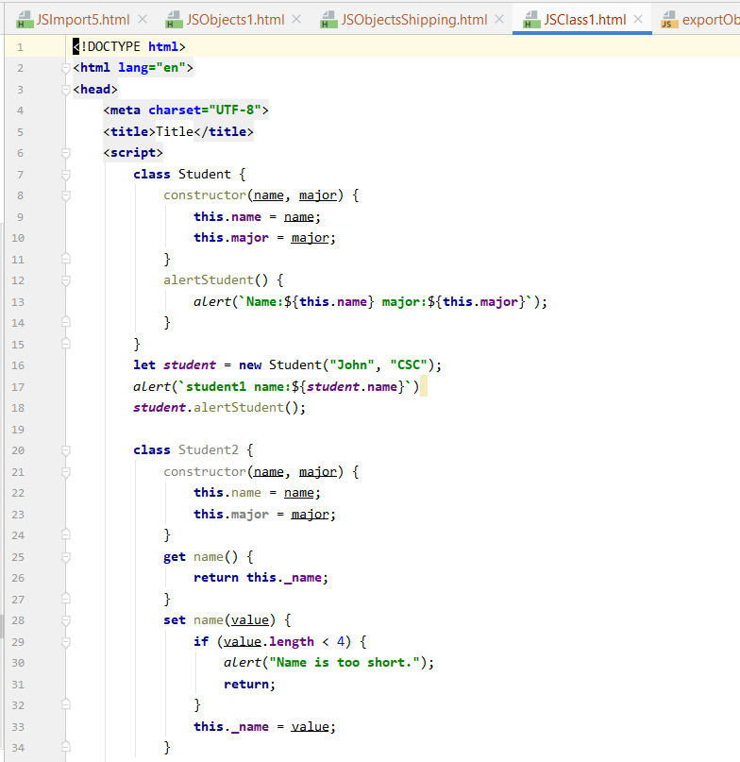

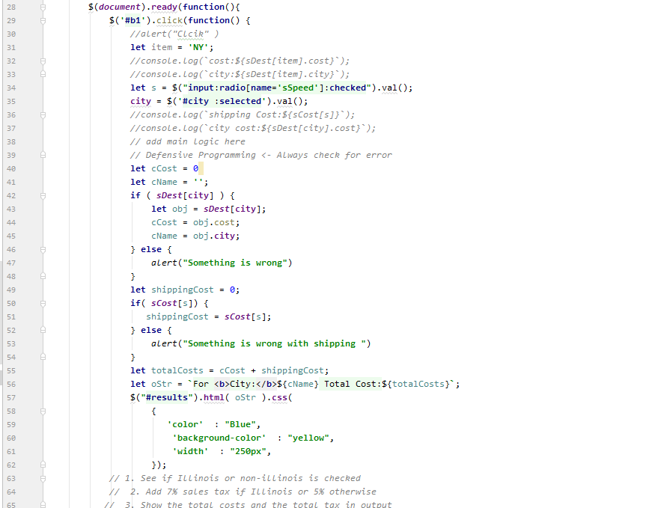

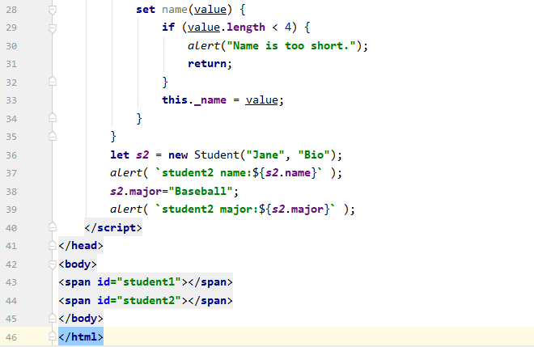

ArrowFunctions
Arrow Functions are abbreviated way to work with function

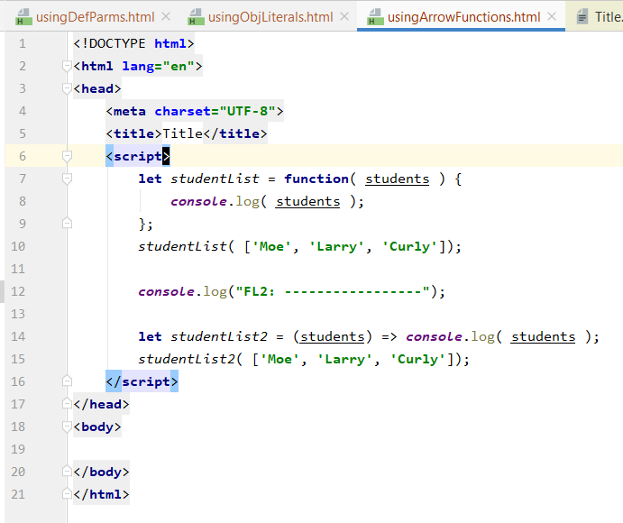
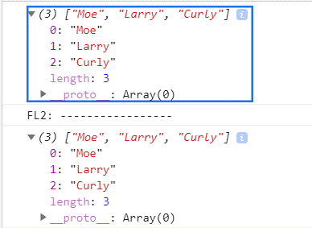

v

Can remove the ( .... )

Dstructoring
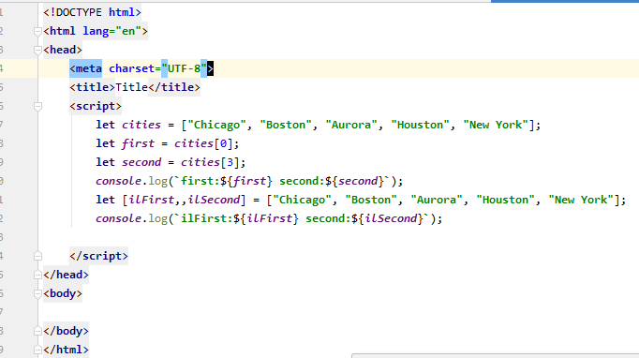

Can also destructure out of an object
here title and price are 'extracted' from object
this would be another way to do this

ArraiwAndThis
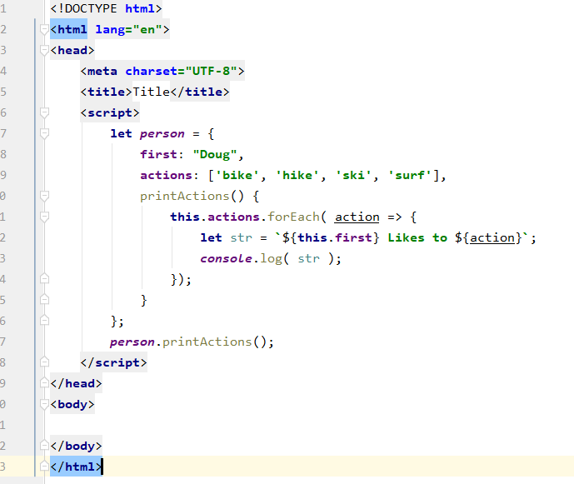
https://www.linkedin.com/learning/learning-ecmascript-6/arrow-functions-and-the-this-scope?autoplay=true&resume=false

Before ECMA 6 ... might me tempted to create this
Here attempting to iterate over each action
but the 'this' keyword here is out of scope ... and it cannot access the name.first

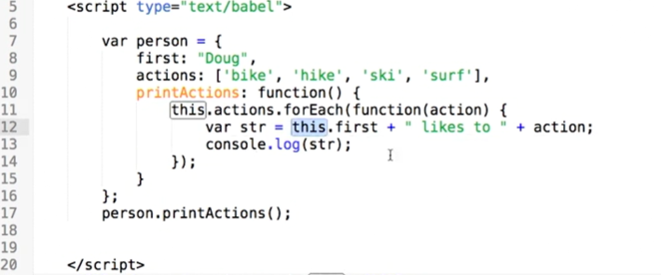

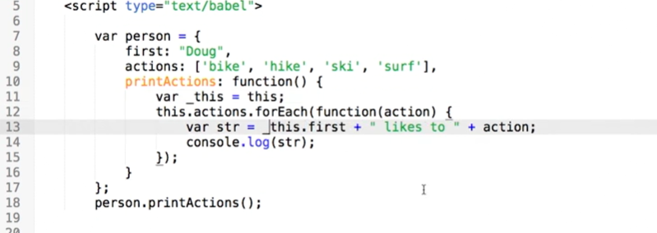

One way to handle the issue is to use a _this variable to
remember the scope ...
can also use bind ... to bind(this) (and not use _this)

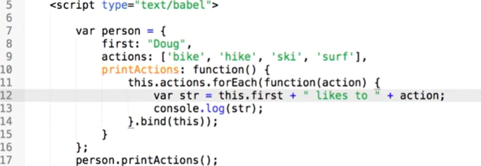

ECMA6 way ... can use => function ...

Exports
https://javascript.info/import-export
A module may contain a class or a library of functions for a specific purpose.
A module=> a file. One script is one module.
Modules can load each other => use special export/importone:
- export -> Labels variable/function to be accessible to others
- Iimport -> Loads variable/function from other modules

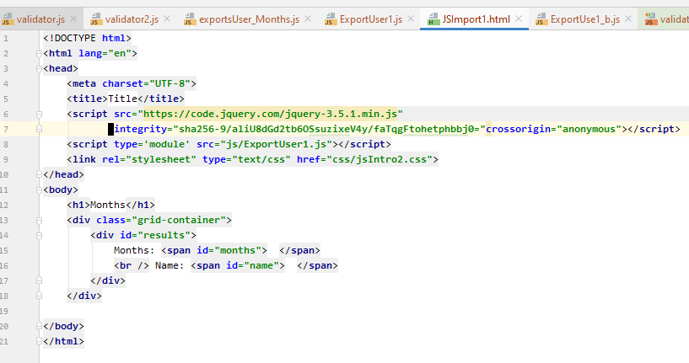



Must be marked as module








Likewise can use in embedded JS




Modules are block level ... so variables are not global within them







Items are loaded once though ... so a change here
does impact here:

the module is executed only once. Exports are generated, and then they are shared between importers, so if something changes the admin object, other modules will see that

mainly two kinds of modules.
1. Modules that contain a library, pack of functions, like say.js above.
2. Modules that declare a single entity, e.g. a module user.js exports only class User.
n practice, there are mainly two kinds of modules.
Modules that contain a library, pack of functions, like say.js above.
Modules that declare a single entity, e.g. a module user.js exports only class User.

Modules provide a special export default (“the default export”) syntax to make the “one thing per module” way look better.




import needs curly braces for named exports and doesn’t need them for the default one.

